Small Value
Strategy | ISIN | Weighting | Sharpe Ratio | Upside Capture Ratio | Downside Capture Ratio | Portfolio SD | Drawdown | Win Ratio
abrdn UK Smaller Companies I Acc | GB0004333497 | 3.0% | 1.4477898514 | 0.73380771943 | 0.63532469378 | 0.017822379315 | -0.31764755598 | 0.56675749319
Allianz UK Listed Opports A Acc GBP | GB0031383515 | 3.0%
Artemis UK Smaller Companies R Acc | GB0002583598 | 3.0%
Aviva Investors UK Smaller Coms 3 £ Inc | GB0004463583 | 3.0%
BIEF UK Smaller Companies A GBP Inc | GB0097804446 | 3.0%
BlackRock Growth and Recovery A Acc | GB0000017680 | 3.0%
CFP Castlefield Sust UK Smlr Coms G Inc | GB00B1XQNH95 | 3.0%
ES R&M UK Listed Smaller Coms B Acc | GB00B1DSZS09 | 3.0%
Fidelity UK Smaller Companies A-Acc | GB00B3SW2T17 | 3.0%
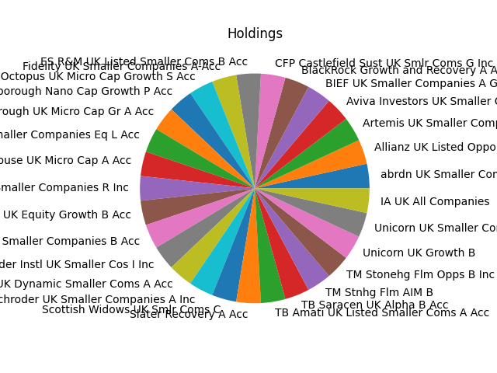
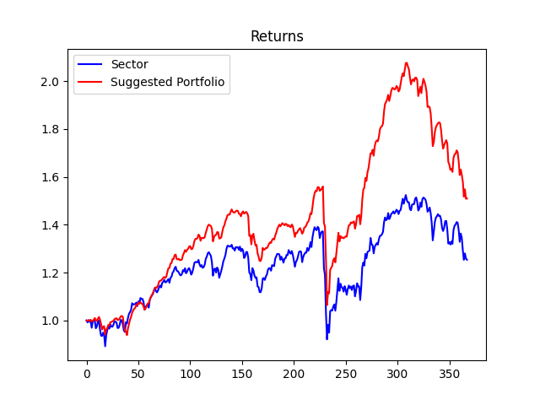
FP Octopus UK Micro Cap Growth S Acc | GB00BYQ7HP66 | 3.0%
IFSL Marlborough Nano Cap Growth P Acc | GB00BF2ZV048 | 3.0%
IFSL Marlborough UK Micro Cap Gr A Acc | GB00B02TPH60 | 3.0%
Jupiter UK Smaller Companies Eq L Acc | GB0004911870 | 3.0%
LF Gresham House UK Micro Cap A Acc | GB00B55S9X98 | 3.0%
Liontrust UK Smaller Companies R Inc | GB0007420788 | 3.0%
MI Chelverton UK Equity Growth B Acc | GB00BP855B75 | 3.0%
Premier Miton UK Smaller Companies B Acc | GB00B8JWZP29 | 3.0%
Schroder Instl UK Smaller Cos I Inc | GB0007870792 | 3.0%
Schroder UK Dynamic Smaller Coms A Acc | GB0031092942 | 3.0%
Schroder UK Smaller Companies A Inc | GB0007649311 | 3.0%
Scottish Widows UK Smlr Coms C | GB0031745374 | 3.0%
Slater Recovery A Acc | GB0031554248 | 3.0%
TB Amati UK Listed Smaller Coms A Acc | GB00B2NG4P15 | 3.0%
TB Saracen UK Alpha B Acc | GB0005711196 | 3.0%
TM Stnhg Flm AIM B | GB00B0JX3Z52 | 3.0%
TM Stonehg Flm Opps B Inc | GB0032211103 | 3.0%
Unicorn UK Growth B | GB0031217937 | 3.0%
Unicorn UK Smaller Companies B | GB0031785065 | 3.0%
IA UK All Companies | ISIN_Placeholder | 3.0%

Portfolio Comparison
Investment Style | Total Return
Small Value | 1.5092447858
Small Core | 1.5092447858
Small Growth | 1.5092447858
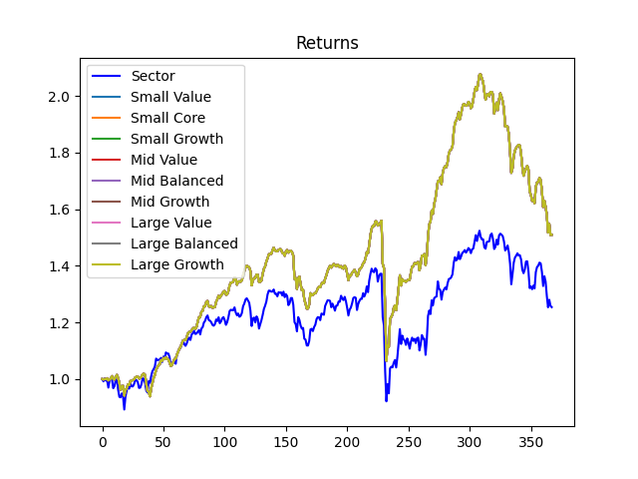
Mid Value | 1.5092447858
Mid Balanced | 1.5092447858
Mid Growth | 1.5092447858
Large Value | 1.5092447858
Large Balanced | 1.5092447858
Large Growth | 1.5092447858

